ADJACENT TO SLOPE
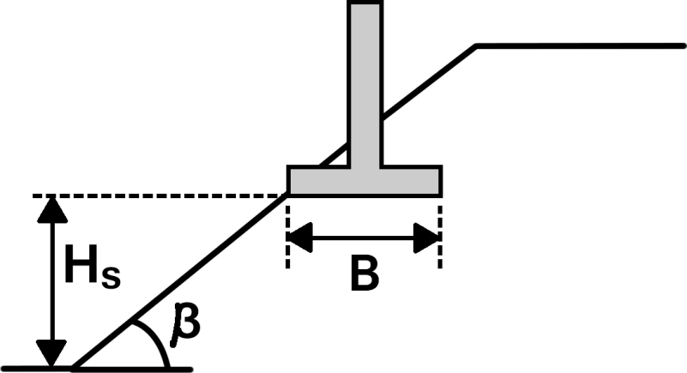
Value |  | Input | Units | Notes
Internal Angle of Friction, f′ |  | 20.0 | ° | • β is the slope angle measured from horizontal
Cohesion, c' |  | 0.0 | psf | • Ns is the stability number, defined as gH / c′
Soil Unit Weight, g |  | 120.0 | pcf | • H is the slope height, measured to the base of the footing
Slope Angle, β |  | 20.0 | ° | • B is the footing width
Slope Height, Hs |  | 20.0 | ft | • RCBC is the coeffieicent multiplied by the result from the relevant horizontal bearing capacity case
Footing Width, B |  | 20.0 | ft | • For slopes greater than 40 degrees, use slope stability analyses
Calculated Value |  | Output | Units | • For unique scenarios that fall outside of the realm of these idealized solutions, use limit analysis
Stability Number, Ns |  | c'=0 | - | software to determine a solution. Examples include:
B/H |  | 1 | - |  | • Optum:G2
 |  |  |  |  | • LimitState:GEO
OUTPUT
RCBC | 0.26

NEAR SLOPE
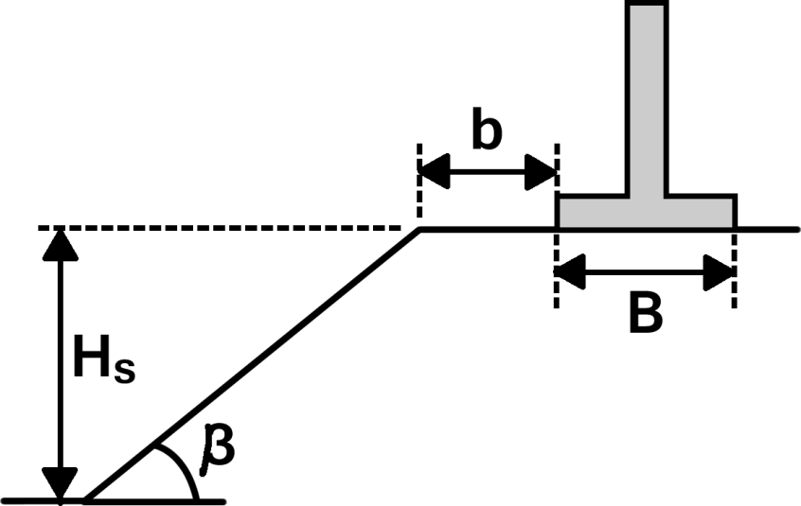
Value |  | Input | Units | Notes
Internal Angle of Friction, f′ |  | 20.0 | ° | • β is the slope angle measured from horizontal
Cohesion, c' |  | 0.0 | psf | • Ns is the stability number, defined as gH / c′
Soil Unit Weight, g |  | 120.0 | pcf | • H is the slope height, measured to the base of the footing
Slope Angle, β |  | 20.0 | ° | • B is the footing width
Slope Height, Hs |  | 20.0 | ft | • b is the footing setback
Footing Width, B |  | 10.0 | ft | • RCBC is the coeffieicent multiplied by the result from the relevant horizontal bearing capacity case
Footing Setback, b |  | 25.0 | ft | • For slopes greater than 40 degrees, use slope stability analyses
Calculated Value |  | Output | Units | • For unique scenarios that fall outside of the realm of these idealized solutions, use limit analysis
Stability Number, Ns |  | c'=0 | - | software to determine a solution. Examples include:
B/H |  | 0.5 | - |  | • Optum:G2
b/B |  | 2.5 | - |  | • LimitState:GEO
OUTPUT
RCBC | 0.84

